Sheet1
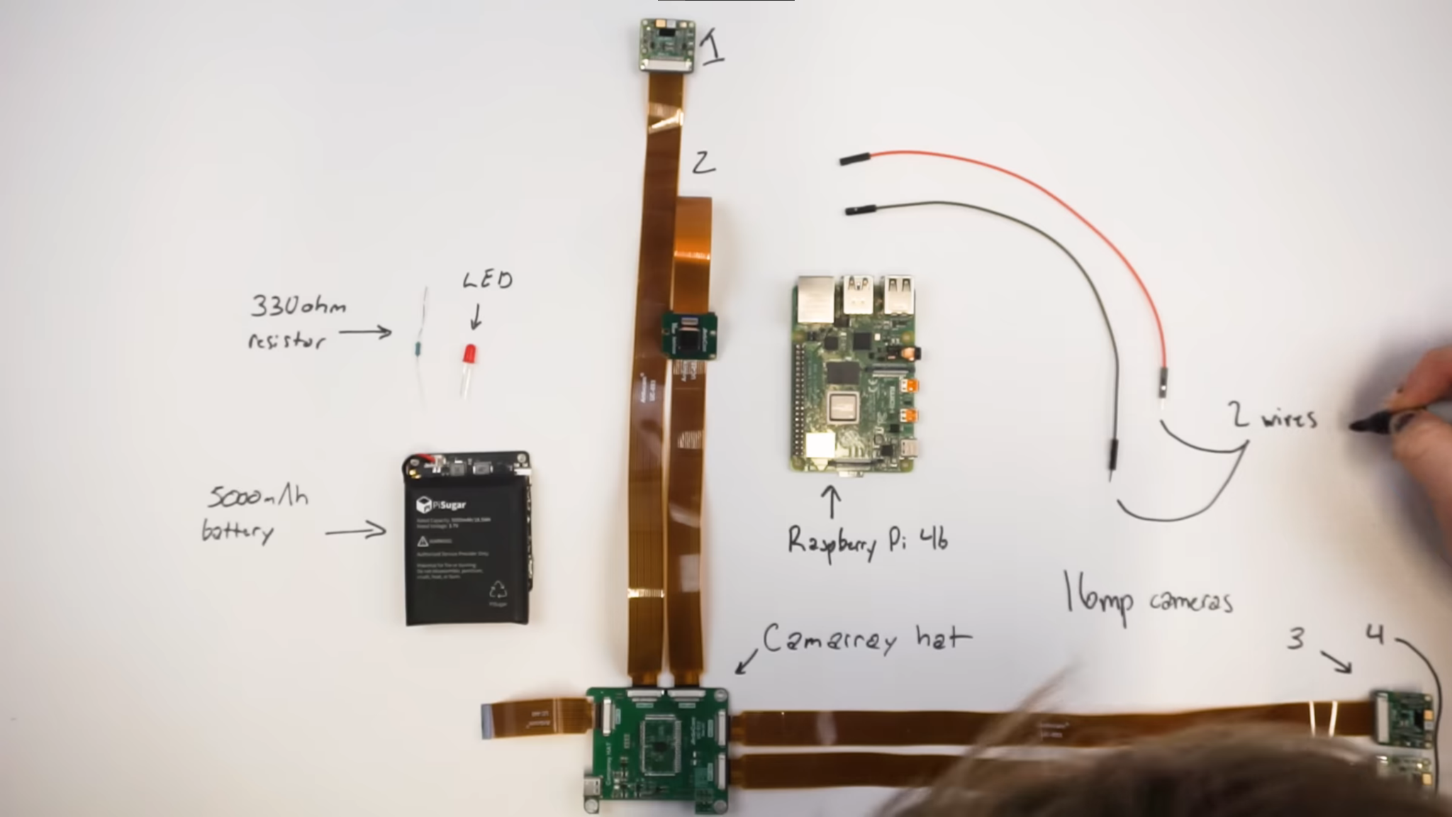
Price | Part | Link
300 | Camarray HAT & 4 Cameras | https://www.uctronics.com/arducam-64mp-auto-focus-quad-camera-kit.html
170 | Camarray HAT & 4 Cameras | https://www.uctronics.com/16mp%20synchronized%20quad-camera%20kit.html
140 | Camarray HAT & 4 Cameras | https://www.uctronics.com/arducam-1mp-4-quadrascopic-camera-bundle-kit-imx219-raspberry%20pi-nvidia-jetson-nano-xavier-nx,.html

55 | Raspberry Pi 4b 4GB | https://www.adafruit.com/product/4296
45 | Raspberry Pi 4b 2GB | https://www.adafruit.com/product/4295

50 | PiSugar3 Plus | https://a.co/d/1oStHeO
50 | PiSugar2 Plus | https://a.co/d/bhYGM9O
30 | PiSugar S Pro | https://a.co/d/dbIsF8b

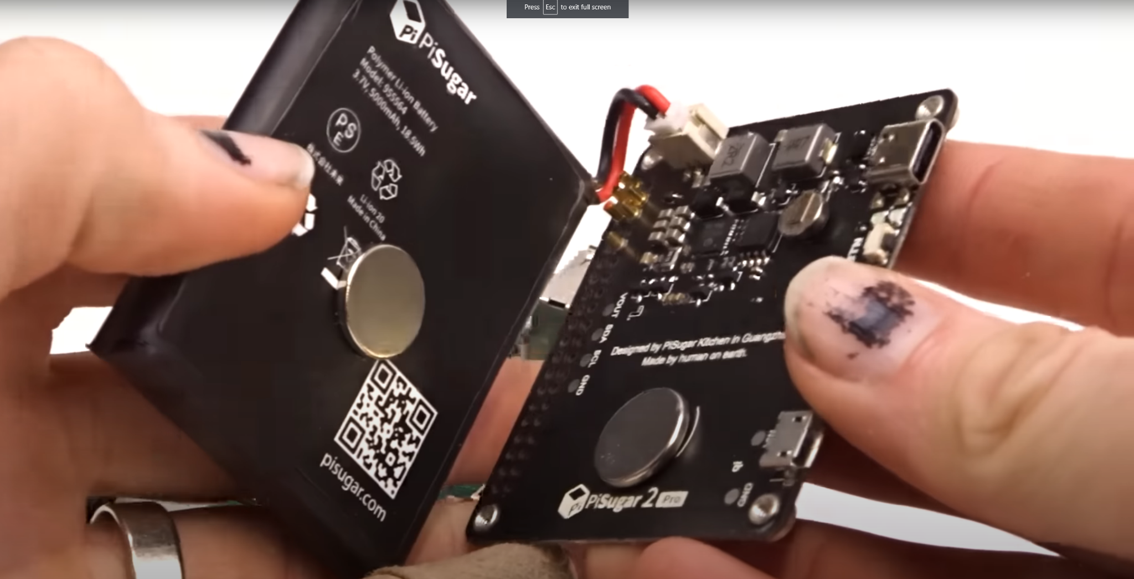
Video Version
170 | Camarray HAT & 4 Cameras | https://www.uctronics.com/camera-modules/camera-for-raspberry-pi/16mp%20synchronized%20quad-camera%20kit.html
55 | Raspberry Pi 4b 4GB | https://www.adafruit.com/product/4296
50 | PiSugar2 Plus | https://a.co/d/bhYGM9O

275 | Total

Mini Cam Arduino Version
15 | Camarry HAT | https://www.uctronics.com/arducam-mini-multi-camera-adapter-board-for-arduino-raspberry-pi.html
20 | Raspberry Pi Zero | https://www.adafruit.com/product/2885
160 | 4x 5MP Cameras | https://www.uctronics.com/arducam-mini-module-camera-shield-5mp-plus-ov5642-camera-module-for-arduino-uno-mega-2560-board.html
20 | Jumper Wires | https://www.ebay.com/itm/323880837276 or https://a.co/d/1mBlzoZ or maybe https://a.co/d/2VHOSsp
40 | PiSugar 3 | https://www.tindie.com/products/pisugar/pisugar-3-battery-for-raspberry-pi-zero/

255 | Total

Professional Version
180 | Camarray HAT & 6 Cameras | https://www.arducam.com/product/arducam-imx219-multi-camera-kit-for-the-nvidia-jetson-agx-orin/
2000 | Nvidia Jetson AGX Orin | https://www.amazon.com/NVIDIA-Jetson-Orin-64GB-Developer/dp/B0BYGB3WV4/ref=sr_1_2?keywords=Nvidia+Jetson+AGX+orin&s=electronics&sr=1-2

 |  |  | Can I rebuild this 40 year old 3D camera into a digital one?

